100Users_LoadTest_15Feb2017
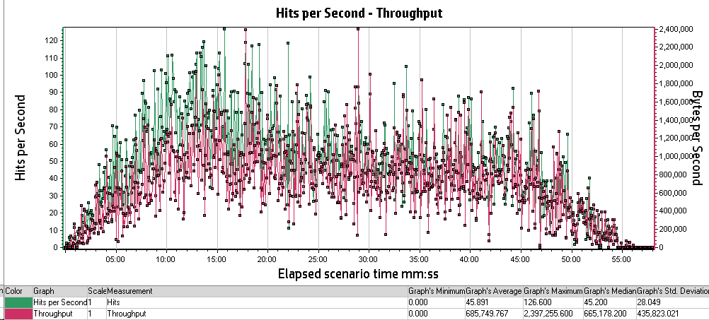
Analysis Summary |  | Period: 15/02/2017 06:38:01 AM EST - 15/02/2017 07:36:01 AM EST
Scenario Name: | Scenario1
Results in Session: | RESTRICTED_TALENT\RESTRICTED_TALENT
Duration: | 58 minutes.

Statistics Summary
Maximum Running Vusers: | 100
Total Throughput (bytes): | 2,389,837,939
Average Throughput (bytes/second): | 686,538
Total Hits: | 159,931
Average Hits per Second: | 45.944
Total Errors: | 217

Transaction Summary
Transactions: | Total Passed: 5,782 |  | Total Failed: 214 |  | Total Stopped: 1

Transaction Name | Minimum | Average | Maximum | Std. Deviation | 90 Percent | Pass | Fail | Stop
TS01_GHRM_00_LaunchUrl | 0.639 | 0.805 | 1.4 | 0.114 | 0.897 | 71 | 0 | 0
TS01_GHRM_01_Login | 7.867 | 9.738 | 14.744 | 1.319 | 11.307 | 71 | 0 | 0
TS01_GHRM_02_ReturnToMobilityExchange | 15.066 | 18.333 | 23.51 | 1.772 | 20.718 | 70 | 1 | 0
TS01_GHRM_03_Logout | 2.085 | 2.606 | 3.655 | 0.353 | 2.993 | 70 | 0 | 0
TS01_ICS_00_LaunchUrl | 0.815 | 1.043 | 2.177 | 0.231 | 1.373 | 76 | 0 | 0
TS01_ICS_01_Login | 12.957 | 15.127 | 22.584 | 1.394 | 16.642 | 76 | 0 | 0
TS01_ICS_02_IndexTypeInternational | 0.612 | 0.638 | 0.682 | 0.013 | 0.659 | 76 | 0 | 0
TS01_ICS_03_SelectHostLocation | 0.655 | 0.683 | 0.724 | 0.015 | 0.704 | 76 | 0 | 0
TS01_ICS_04_IndexTypeStandard | 0.626 | 0.672 | 0.723 | 0.019 | 0.696 | 76 | 0 | 0
TS01_ICS_05_SelectBaseLocation | 0.528 | 2.855 | 61.442 | 11.278 | 0.601 | 76 | 0 | 0
TS01_ICS_06_ReturnToMobilityExchange | 4.525 | 5.306 | 6.795 | 0.555 | 6.344 | 76 | 0 | 0
TS01_ICS_07_ClientContinue | 6.647 | 8.091 | 10.669 | 0.95 | 9.342 | 76 | 0 | 0
TS01_ICS_08_Logout | 3.153 | 3.986 | 6.869 | 0.629 | 4.726 | 76 | 0 | 0
TS02_GHRM_00_LaunchURL | 0.462 | 0.683 | 1.76 | 0.183 | 0.945 | 134 | 0 | 0
TS02_GHRM_01_Login | 8.236 | 9.834 | 13.585 | 1.031 | 11.116 | 134 | 0 | 0
TS02_GHRM_02_RunANewCalculation | 9.216 | 13.147 | 21.628 | 2.575 | 16.285 | 134 | 0 | 0
TS02_GHRM_03_InputPageContinue | 5.886 | 9.302 | 16.827 | 2.349 | 12.573 | 133 | 1 | 0
TS02_GHRM_04_PreviewPageContinue | 4.202 | 6.374 | 15.766 | 1.679 | 7.708 | 133 | 0 | 0
TS02_GHRM_05_ClickOnPDF | 1.619 | 2.299 | 5.595 | 0.513 | 2.927 | 133 | 0 | 0
TS02_GHRM_06_ClickOnEXCEL | 1.544 | 2.207 | 5.18 | 0.536 | 2.769 | 133 | 0 | 0
TS02_GHRM_07_ReturnToMobilityExchange | 15.433 | 19.085 | 29.433 | 2.224 | 21.579 | 133 | 0 | 0
TS02_GHRM_08_Logout | 2.477 | 3.252 | 5.191 | 0.471 | 3.773 | 133 | 0 | 0
TS02_ICS_00_LaunchUrl | 0.728 | 1.038 | 1.874 | 0.245 | 1.371 | 56 | 48 | 0
TS02_ICS_01_Login | 12.694 | 14.836 | 17.536 | 1.246 | 16.547 | 56 | 0 | 0
TS02_ICS_02_RunANewCalculation | 10.101 | 14.968 | 23.781 | 2.794 | 18.359 | 56 | 0 | 0
TS02_ICS_03_InputPageContinue | 8.795 | 13.371 | 21.375 | 2.774 | 16.963 | 44 | 12 | 0
TS02_ICS_04_PreviewPageContinue | 4.502 | 6.496 | 11.712 | 1.484 | 8.517 | 44 | 0 | 0
TS02_ICS_05_PDFReport | 0.061 | 0.084 | 0.097 | 0.008 | 0.094 | 44 | 0 | 0
TS02_ICS_06_EXCELReport | 0.064 | 0.087 | 0.113 | 0.01 | 0.099 | 44 | 0 | 0
TS02_ICS_07_ReturnToMobilityExchange | 5.008 | 5.862 | 7.318 | 0.593 | 6.726 | 25 | 19 | 0
TS02_ICS_08_ClientContinue | 6.27 | 7.782 | 11.858 | 1.346 | 9.167 | 25 | 0 | 0
TS02_ICS_09_Logout | 2.154 | 4.114 | 5.706 | 0.941 | 5.238 | 25 | 0 | 0
TS03_GHRM_00_LaunchURL | 0.449 | 0.699 | 2.328 | 0.249 | 0.934 | 134 | 0 | 0
TS03_GHRM_01_Login | 8.139 | 9.82 | 12.745 | 1.009 | 11.386 | 134 | 0 | 0
TS03_GHRM_02_RunANewCalculation | 9 | 13.282 | 22.465 | 2.726 | 16.823 | 134 | 0 | 0
TS03_GHRM_03_InputPageContinue | 7.272 | 10.757 | 22.576 | 2.363 | 13.897 | 134 | 0 | 0
TS03_GHRM_04_PreviewPageContinue | 3.118 | 4.932 | 11.383 | 1.332 | 6.541 | 134 | 0 | 0
TS03_GHRM_05_ClickOnPDF | 1.597 | 2.13 | 4.07 | 0.439 | 2.632 | 134 | 0 | 0
TS03_GHRM_06_ClickOnEXCEL | 1.41 | 1.954 | 4.765 | 0.467 | 2.588 | 134 | 0 | 0
TS03_GHRM_07_ReturnToMobilityExchange | 14.779 | 18.858 | 24.92 | 1.977 | 21.54 | 133 | 1 | 0
TS03_GHRM_08_Logout | 2.288 | 3.122 | 5.061 | 0.506 | 3.743 | 133 | 0 | 0
TS03_ICS_00_LaunchUrl | 0.736 | 1.222 | 1.821 | 0.288 | 1.646 | 45 | 56 | 0
TS03_ICS_01_Login | 12.766 | 15.275 | 18.401 | 1.375 | 17.184 | 45 | 0 | 0
TS03_ICS_02_RunANewCalculation | 10.525 | 16.574 | 23.948 | 2.893 | 20.675 | 45 | 0 | 0
TS03_ICS_03_InputPageContinue | 9.733 | 14.535 | 30.958 | 3.578 | 17.807 | 45 | 0 | 0
TS03_ICS_04_PreviewPageContinue | 4.473 | 6.896 | 14.345 | 1.755 | 8.41 | 45 | 0 | 0
TS03_ICS_05_PDFReport | 0.067 | 0.094 | 0.13 | 0.016 | 0.116 | 45 | 0 | 0
TS03_ICS_06_ExcelReport | 0.074 | 0.098 | 0.154 | 0.015 | 0.116 | 45 | 0 | 0
TS03_ICS_07_ReturnToMobilityExchange | 4.197 | 5.798 | 10.115 | 1.164 | 7.188 | 30 | 15 | 0
TS03_ICS_08_ClientContinue | 5.467 | 8.967 | 13.055 | 1.727 | 10.896 | 30 | 0 | 0
TS03_ICS_09_Logout | 3.584 | 5.012 | 7.062 | 0.97 | 5.995 | 30 | 0 | 0
TS04_GHRM_00_LaunchURL | 0.344 | 0.71 | 2.287 | 0.214 | 0.915 | 136 | 0 | 0
TS04_GHRM_01_Login | 8.004 | 10.186 | 15.032 | 1.293 | 11.945 | 136 | 0 | 0
TS04_GHRM_02_RunANewCalculation | 9.071 | 13.278 | 22.312 | 2.591 | 16.273 | 134 | 0 | 0
TS04_GHRM_03_InputPageContinue | 5.718 | 9.423 | 19.954 | 2.303 | 11.974 | 132 | 0 | 1
TS04_GHRM_04_PreviewPageContinue | 4.174 | 6.22 | 10.773 | 1.257 | 8.156 | 132 | 0 | 0
TS04_GHRM_05_ClickOnPDF | 1.684 | 2.348 | 4.39 | 0.541 | 3.102 | 132 | 0 | 0
TS04_GHRM_06_ClickOnEXCEL | 1.525 | 2.313 | 7.246 | 0.702 | 2.996 | 132 | 0 | 0
TS04_GHRM_07_ReturnToMobilityExchange | 15.641 | 19.547 | 28.895 | 2.238 | 22.447 | 132 | 0 | 0
TS04_GHRM_08_Logout | 3.076 | 4.146 | 6.752 | 0.618 | 4.749 | 132 | 0 | 0
TS04_ICS_00_LaunchUrl | 1.065 | 1.31 | 3.145 | 0.473 | 2.121 | 45 | 41 | 0
TS04_ICS_01_Login | 13.434 | 15.764 | 20.805 | 1.571 | 17.669 | 45 | 0 | 0
TS04_ICS_02_RunANewCalculation | 11.475 | 16.076 | 23.998 | 2.806 | 18.534 | 45 | 0 | 0
TS04_ICS_03_InputPageContinue | 12.979 | 18.171 | 30.217 | 4.037 | 24.274 | 45 | 0 | 0
TS04_ICS_04_PreviewPageContinue | 5.133 | 7.829 | 11.446 | 1.486 | 9.835 | 45 | 0 | 0
TS04_ICS_05_ClickOnPDF | 0.077 | 0.093 | 0.113 | 0.008 | 0.107 | 45 | 0 | 0
TS04_ICS_06_ClickOnEXCEL | 0.065 | 0.079 | 0.112 | 0.009 | 0.087 | 45 | 0 | 0
TS04_ICS_07_ReturnToMobilityExchange | 5.376 | 6.417 | 9.186 | 0.944 | 7.364 | 25 | 20 | 0
TS04_ICS_08_ClientContinue | 6.414 | 8.461 | 11.085 | 0.995 | 9.85 | 25 | 0 | 0
TS04_ICS_09_Logout | 3.094 | 4.152 | 5.65 | 0.537 | 4.645 | 25 | 0 | 0

HTTP Responses Summary
HTTP Responses | Total | Per second
HTTP_200 | 149,334 | 42.9
HTTP_206 | 14 | 0.004
HTTP_301 | 1,406 | 0.404
HTTP_302 | 5,383 | 1.546
HTTP_304 | 27 | 0.008
HTTP_404 | 3,746 | 1.076
HTTP_500 | 6 | 0.002
HTTP_502 | 1 | 0

Running Vusers vs Average Transaction Response numbers

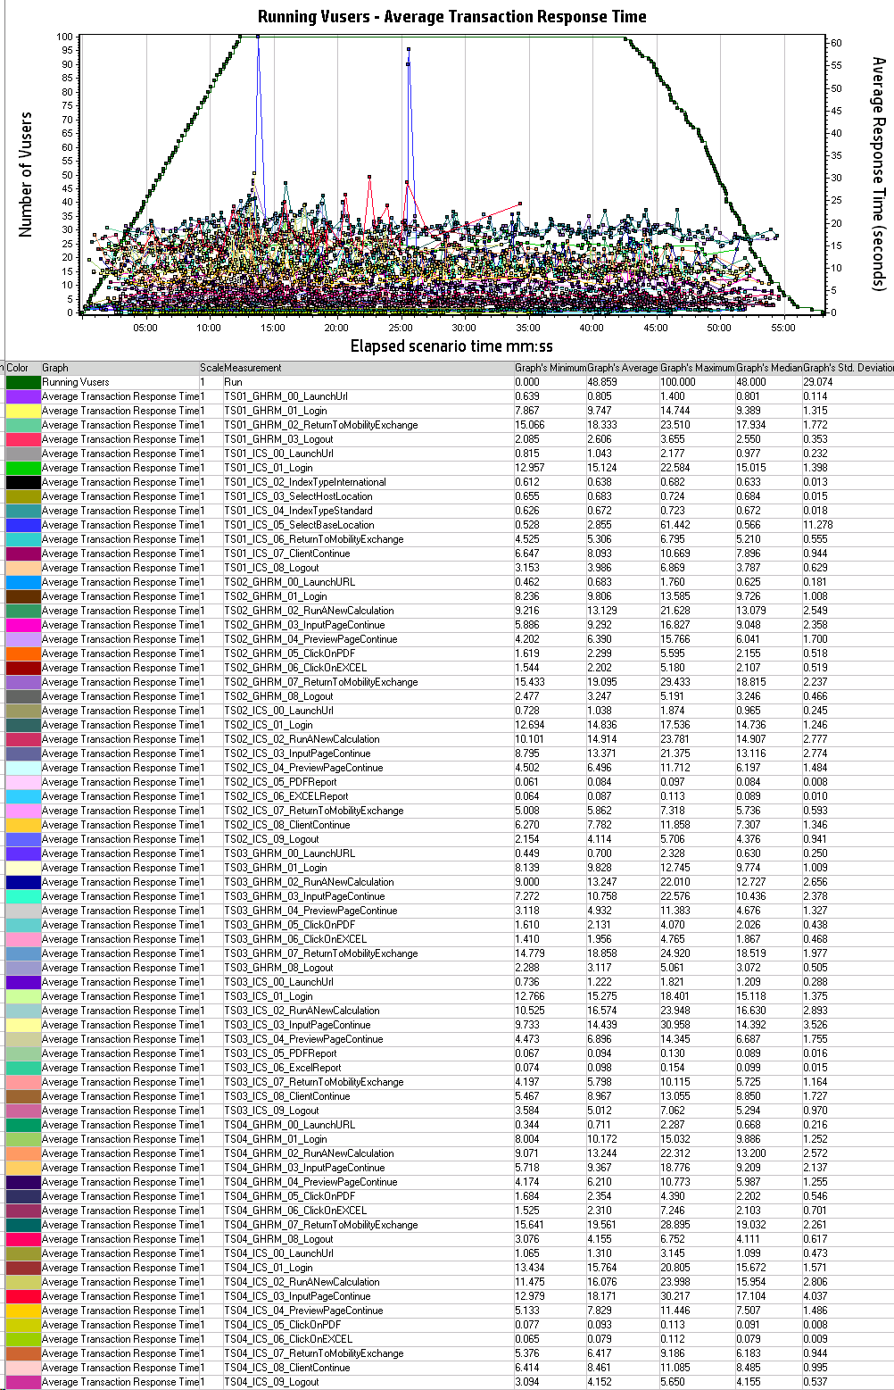

Hits Per Second vs Throughput

